Info
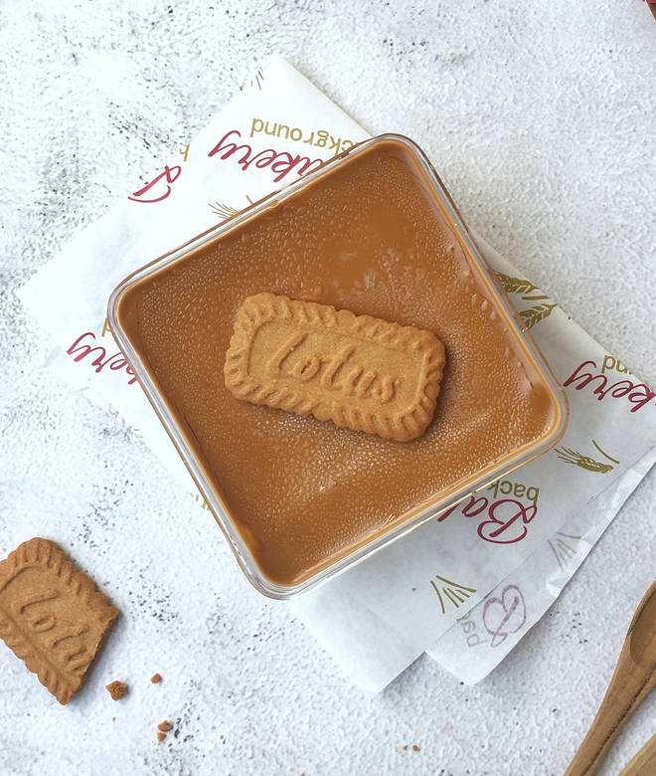
🍊 Restaurant Information

Name | JK Florist
Area | Akota
Rating | NEW
Total Ratings
Cuisines | Florist, Desserts
Cost for Two | ₹600 for two
Delivery Time | 25 mins
Swiggy URL | https://www.swiggy.com/city/vadodara/jk-florist-akota-rest1327116
Scraped On | 18 Mar 2026, 10:50 am

── Menu Stats ──
Total Items | 3
Veg Items | 0
Non-Veg Items | 0
Bestsellers | 0
Items with Photo | 3
Categories | Fresh Flower

