Info
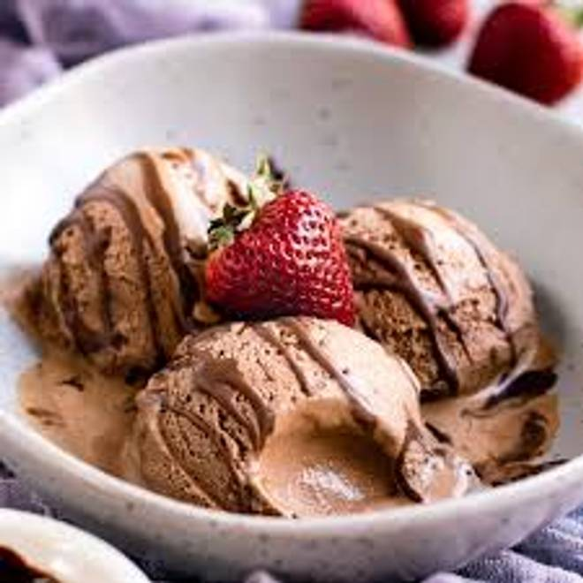
🍊 Restaurant Information

Name | Janta icecream parlour
Area | Akota
Rating | --
Total Ratings | Too Few Ratings
Cuisines | Beverages, Ice Cream
Cost for Two | ₹200 for two
Delivery Time | 23 mins
Swiggy URL | https://www.swiggy.com/city/vadodara/janta-icecream-parlour-akota-rest1098398
Scraped On | 18 Mar 2026, 10:47 am

── Menu Stats ──
Total Items | 5
Veg Items | 0
Non-Veg Items | 0
Bestsellers | 0
Items with Photo | 2
Categories | Recommended, Ice Cream

