Info
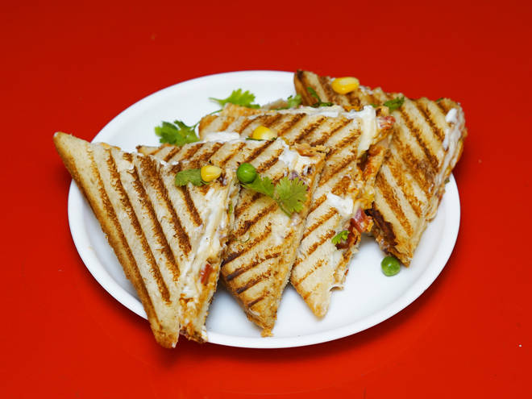
🍊 Restaurant Information

Name | Jay Mahakali Food Corner
Area | Suryanagar
Rating | 5
Total Ratings | 3 ratings
Cuisines | Street Food, Snacks
Cost for Two | ₹300 for two
Delivery Time | 42 mins
Swiggy URL | https://www.swiggy.com/city/vadodara/jay-mahakali-food-corner-shiv-nagar-suryanagar-rest580787
Scraped On | 18 Mar 2026, 10:50 am

── Menu Stats ──
Total Items | 0
Veg Items | 0
Non-Veg Items | 0
Bestsellers | 0
Items with Photo | 0
Categories

