Info
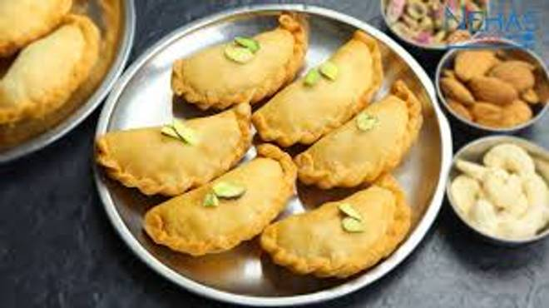
🍊 Restaurant Information

Name | Jay Mahakali Ghughara
Area | Mandvi
Rating | 4.7
Total Ratings | 9 ratings
Cuisines | Street Food, Fast Food
Cost for Two | ₹200 for two
Delivery Time | 38 mins
Swiggy URL | https://www.swiggy.com/city/vadodara/jay-mahakali-ghughara-manki-resi-cum-plaza-mandvi-rest908781
Scraped On | 18 Mar 2026, 10:47 am

── Menu Stats ──
Total Items | 4
Veg Items | 0
Non-Veg Items | 0
Bestsellers | 0
Items with Photo | 2
Categories | Milk Shake

