Info
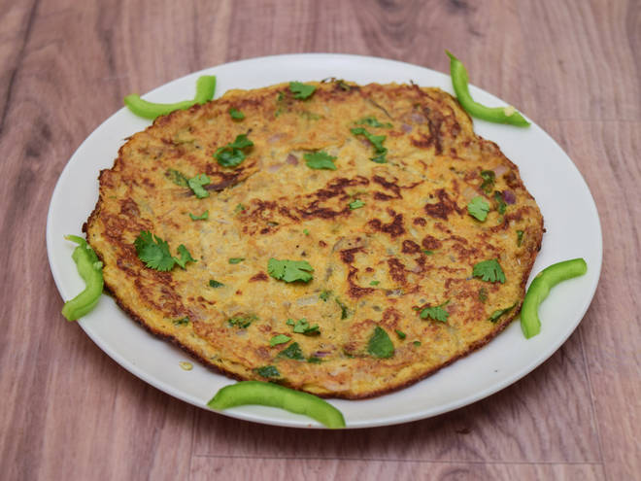
🍊 Restaurant Information

Name | Jay Mahakali Omlet Center
Area | Manjalpur
Rating | --
Total Ratings | Too Few Ratings
Cuisines | Indian, Snacks
Cost for Two | ₹200 for two
Delivery Time | 36 mins
Swiggy URL | https://www.swiggy.com/city/vadodara/jay-mahakali-omlet-center-pratap-nagar-manjalpur-rest660001
Scraped On | 18 Mar 2026, 10:51 am

── Menu Stats ──
Total Items | 5
Veg Items | 0
Non-Veg Items | 0
Bestsellers | 0
Items with Photo | 3
Categories | Recommended, Omlet, Special Items

