Info
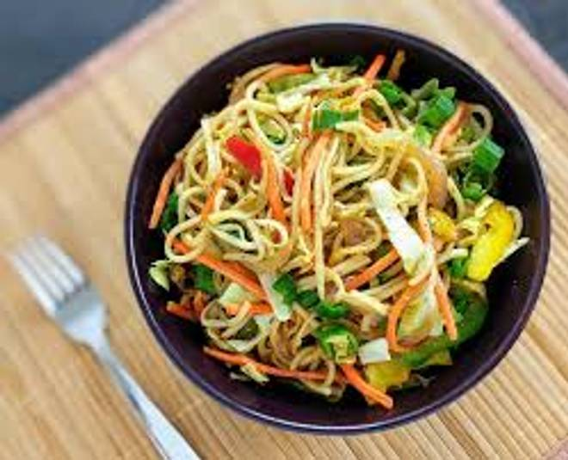
🍊 Restaurant Information

Name | Jay Pashupatinath Punjabi Khana
Area | Fatehgunj
Rating | --
Total Ratings | Too Few Ratings
Cuisines | Fast Food
Cost for Two | ₹200 for two
Delivery Time | 41 mins
Swiggy URL | https://www.swiggy.com/city/vadodara/jay-pashupatinath-punjabi-khana-fatehgunj-rest1077329
Scraped On | 18 Mar 2026, 10:51 am

── Menu Stats ──
Total Items | 93
Veg Items | 0
Non-Veg Items | 0
Bestsellers | 0
Items with Photo | 1
Categories | Roti, Veg Items, Chinese, Rice, Sizzler, Pav Bhaji, Salad, Papad, Main Course, Sweets, Dal, Raita

