Info
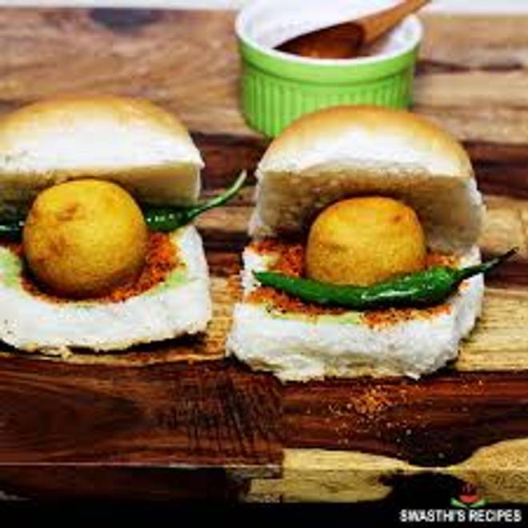
🍊 Restaurant Information

Name | Jiya's Fast Food
Area | Mandvi
Rating | --
Total Ratings | Too Few Ratings
Cuisines | Bakery, Indian
Cost for Two | ₹100 for two
Delivery Time | 45 mins
Swiggy URL | https://www.swiggy.com/city/vadodara/jiyas-fast-food-mandvi-rest986743
Scraped On | 18 Mar 2026, 10:50 am

── Menu Stats ──
Total Items | 2
Veg Items | 0
Non-Veg Items | 0
Bestsellers | 0
Items with Photo | 2
Categories | Puffs

