Info
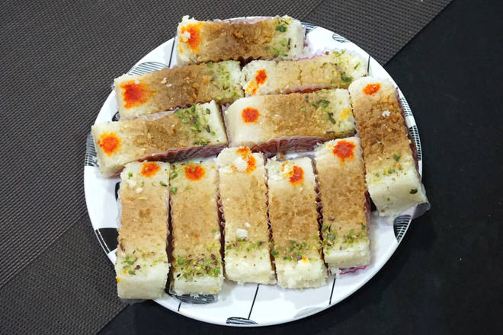
🍊 Restaurant Information

Name | Jodhpurwala Rameshwar Purohit Mithaiwala
Area | Yakutpura
Rating | --
Total Ratings | Too Few Ratings
Cuisines | Sweets, Desserts
Cost for Two | ₹350 for two
Delivery Time | 42 mins
Swiggy URL | https://www.swiggy.com/city/vadodara/jodhpurwala-rameshwar-purohit-mithaiwala-gajrawadi-road-yakutpura-rest645627
Scraped On | 18 Mar 2026, 10:50 am

── Menu Stats ──
Total Items | 1
Veg Items | 0
Non-Veg Items | 0
Bestsellers | 0
Items with Photo | 1
Categories | Recommended

