Info
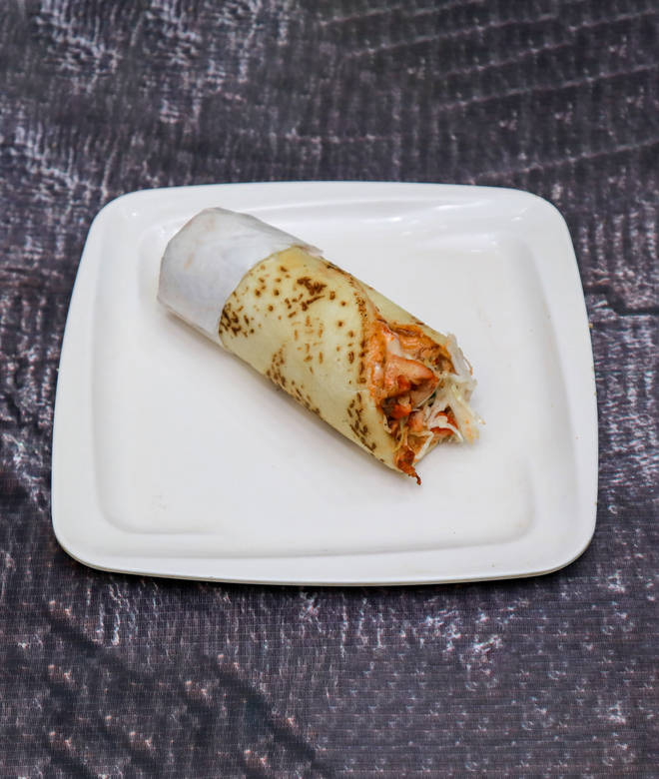
🍊 Restaurant Information

Name | K.G.N Chicken Shawarma
Area | Mandvi
Rating | 4.3
Total Ratings | 37 ratings
Cuisines | Arabian, Lebanese
Cost for Two | ₹300 for two
Delivery Time | 30 mins
Swiggy URL | https://www.swiggy.com/city/vadodara/k-g-n-chicken-shawarma-machhipith-mandvi-rest507807
Scraped On | 18 Mar 2026, 10:53 am

── Menu Stats ──
Total Items | 1
Veg Items | 0
Non-Veg Items | 0
Bestsellers | 0
Items with Photo | 1
Categories | Burgers

