Info
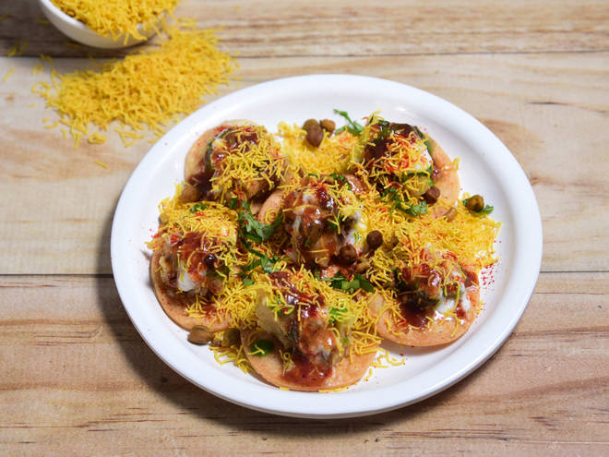
🍊 Restaurant Information

Name | KK Pakodiwala
Area | Mandvi
Rating | 4.5
Total Ratings | 4 ratings
Cuisines | Indian, Snacks
Cost for Two | ₹199 for two
Delivery Time | 40 mins
Swiggy URL | https://www.swiggy.com/city/vadodara/kk-pakodiwala-bhati-tenamnet-wagh-road-mandvi-rest707291
Scraped On | 18 Mar 2026, 10:55 am

── Menu Stats ──
Total Items | 4
Veg Items | 0
Non-Veg Items | 0
Bestsellers | 0
Items with Photo | 2
Categories | Milk Shake

