Info
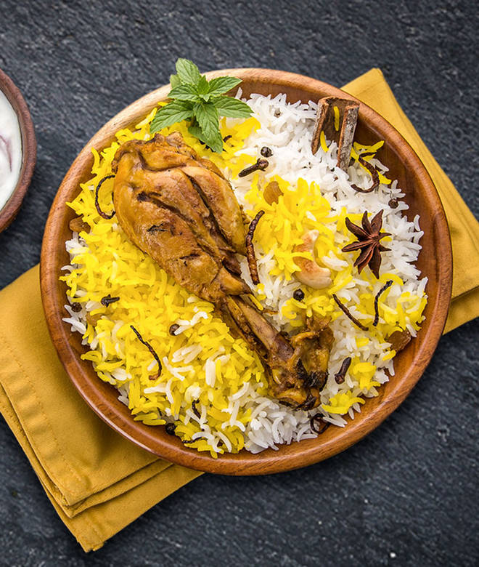
🍊 Restaurant Information

Name | Kalaghoda - Effotel By Sayaji
Area | Sayajiganj
Rating | 4.4
Total Ratings | 1.2K+ ratings
Cuisines | Indian, Chinese
Cost for Two | ₹600 for two
Delivery Time | 36 mins
Swiggy URL | https://www.swiggy.com/city/vadodara/kalaghoda-effotel-by-sayaji-sayajiganj-rest401319
Scraped On | 18 Mar 2026, 10:52 am

── Menu Stats ──
Total Items | 186
Veg Items | 0
Non-Veg Items | 0
Bestsellers | 0
Items with Photo | 127
Categories | Recommended, Non Veg Main Course, Non Vegetarian Starters, Vegetarian Starters, Veg Main Course, Rice, Combos, Today Chef Special, Buffets, Soups, Jain Special, Sweets, Roti, Ramzan Month Special, Salad & Raita, Dal, Hi Tea Menu, Continental, Shravan Month Speicla, Large Order, Veg Thali, Non Veg Thali

