Info
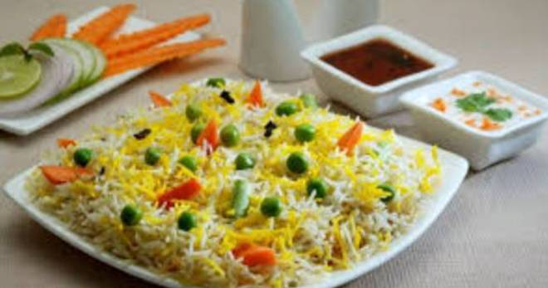
🍊 Restaurant Information

Name | Kgn Hub
Area | Mandvi
Rating | --
Total Ratings | Too Few Ratings
Cuisines | Biryani, Snacks
Cost for Two | ₹300 for two
Delivery Time | 37 mins
Swiggy URL | https://www.swiggy.com/city/vadodara/kgn-hub-mandvi-rest981912
Scraped On | 18 Mar 2026, 10:53 am

── Menu Stats ──
Total Items | 12
Veg Items | 0
Non-Veg Items | 0
Bestsellers | 0
Items with Photo | 0
Categories | Starters, Rice

