Info
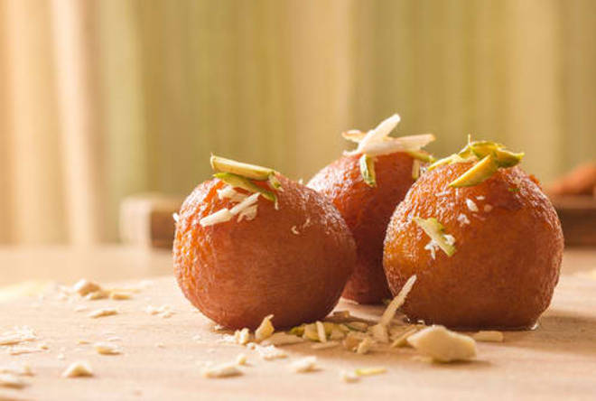
🍊 Restaurant Information

Name | Kheteshwar Sweet & Farsan
Area | Nizampura
Rating | 4.5
Total Ratings | <3 ratings
Cuisines | Sweets
Cost for Two | ₹400 for two
Delivery Time | 31 mins
Swiggy URL | https://www.swiggy.com/city/vadodara/kheteshwar-sweet-and-farsan-saurashtra-nizampura-rest657185
Scraped On | 18 Mar 2026, 10:54 am

── Menu Stats ──
Total Items | 0
Veg Items | 0
Non-Veg Items | 0
Bestsellers | 0
Items with Photo | 0
Categories

