Info
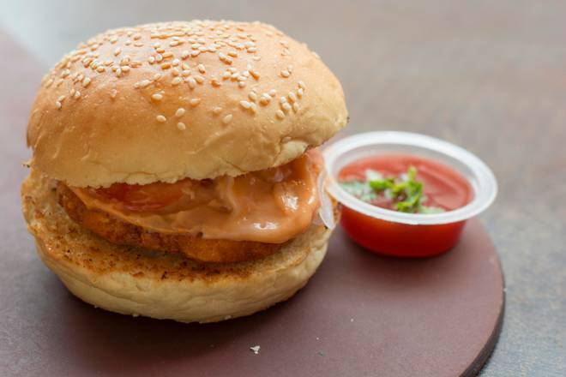
🍊 Restaurant Information

Name | Khushi Fast Food
Area | Karelibaug
Rating | 3.5
Total Ratings | <3 ratings
Cuisines | Fast Food, Italian
Cost for Two | ₹250 for two
Delivery Time | 1420 mins
Swiggy URL | https://www.swiggy.com/city/vadodara/khushi-fast-food-karelibaug-rest481637
Scraped On | 18 Mar 2026, 10:53 am

── Menu Stats ──
Total Items | 38
Veg Items | 0
Non-Veg Items | 0
Bestsellers | 0
Items with Photo | 10
Categories | Fried Items, Combo, Sandwich, Burger, Beverages, Pizza [6Inch], Garlic Bread, Frankie Wrap

