Info
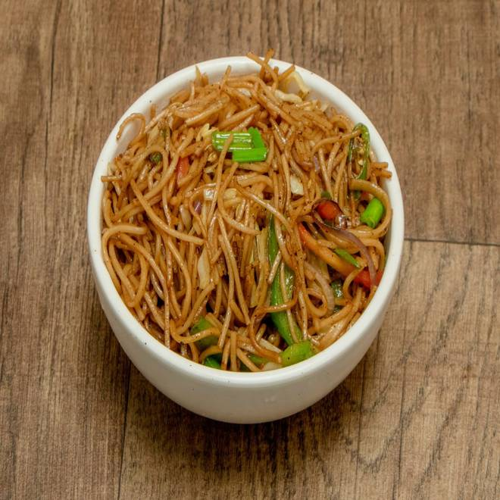
🍊 Restaurant Information

Name | King Chinese
Area | Akota
Rating | 4.1
Total Ratings | 19 ratings
Cuisines | Chinese
Cost for Two | ₹200 for two
Delivery Time | 25 mins
Swiggy URL | https://www.swiggy.com/city/vadodara/king-chinese-bpc-road-akota-rest773492
Scraped On | 18 Mar 2026, 10:48 am

── Menu Stats ──
Total Items | 5
Veg Items | 0
Non-Veg Items | 0
Bestsellers | 0
Items with Photo | 2
Categories | Potato Varieties

