Info
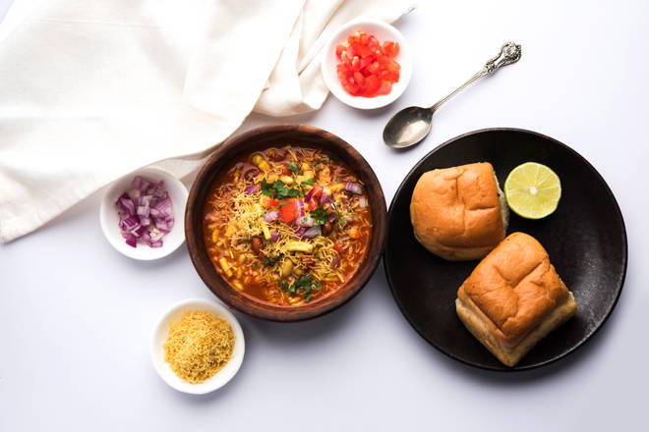
🍊 Restaurant Information

Name | Krishna Sev Usal
Area | Warasiya
Rating | --
Total Ratings | Too Few Ratings
Cuisines | Street Food, Snacks
Cost for Two | ₹100 for two
Delivery Time | 36 mins
Swiggy URL | https://www.swiggy.com/city/vadodara/krishna-sev-usal-warasiya-rest358681
Scraped On | 18 Mar 2026, 10:48 am

── Menu Stats ──
Total Items | 4
Veg Items | 0
Non-Veg Items | 0
Bestsellers | 0
Items with Photo | 2
Categories | Milk Shake

