Info
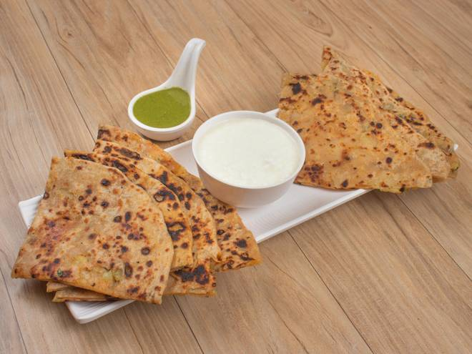
🍊 Restaurant Information

Name | Lucknowi Nawabi Zaika
Area | Mandvi
Rating | --
Total Ratings | Too Few Ratings
Cuisines | Street Food, North Indian
Cost for Two | ₹250 for two
Delivery Time | 37 mins
Swiggy URL | https://www.swiggy.com/city/vadodara/lucknowi-nawabi-zaika-mandvi-rest1061875
Scraped On | 18 Mar 2026, 10:47 am

── Menu Stats ──
Total Items | 10
Veg Items | 0
Non-Veg Items | 0
Bestsellers | 0
Items with Photo | 1
Categories | Main Course, Beverages

