Info
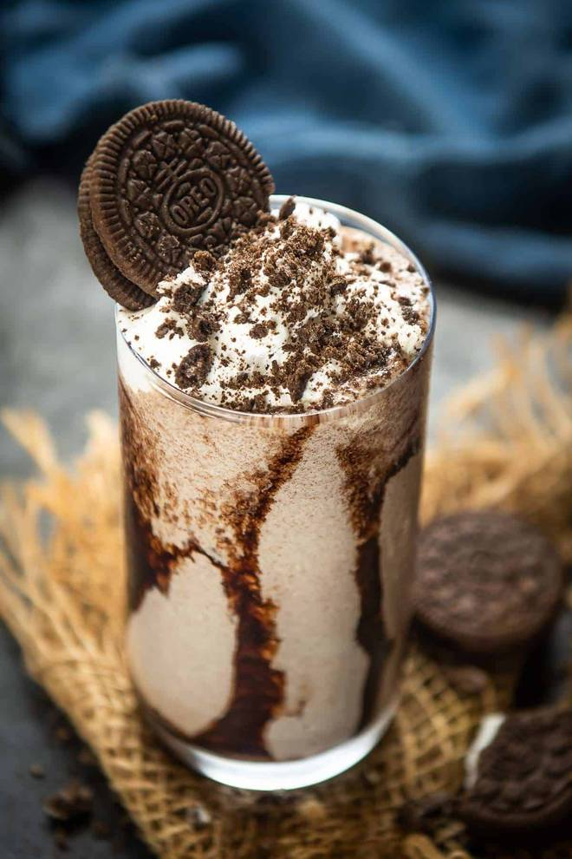
🍊 Restaurant Information

Name | Magic Flavours
Area | Mandvi
Rating | 4.8
Total Ratings | <3 ratings
Cuisines | Beverages, Desserts
Cost for Two | ₹300 for two
Delivery Time | 39 mins
Swiggy URL | https://www.swiggy.com/city/vadodara/magic-flavours-pratapnagar-waghodia-road-mandvi-rest631210
Scraped On | 18 Mar 2026, 10:51 am

── Menu Stats ──
Total Items | 2
Veg Items | 0
Non-Veg Items | 0
Bestsellers | 0
Items with Photo | 0
Categories | Madhura Lassi

