Info
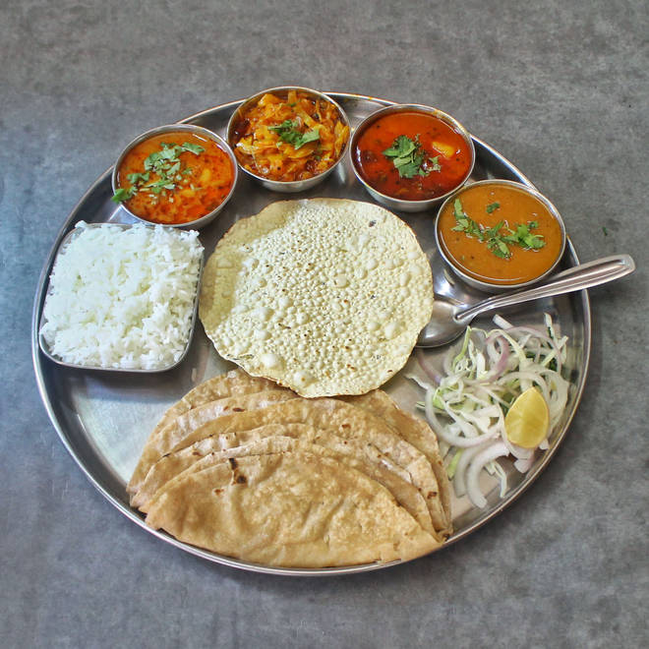
🍊 Restaurant Information

Name | Maharashtra Restaurant
Area | Mandvi
Rating | 4.5
Total Ratings | 2.0K+ ratings
Cuisines | Thalis
Cost for Two | ₹300 for two
Delivery Time | 30 mins
Swiggy URL | https://www.swiggy.com/city/vadodara/maharashtra-restaurant-mandvi-rest81451
Scraped On | 18 Mar 2026, 10:48 am

── Menu Stats ──
Total Items | 0
Veg Items | 0
Non-Veg Items | 0
Bestsellers | 0
Items with Photo | 0
Categories

