Info
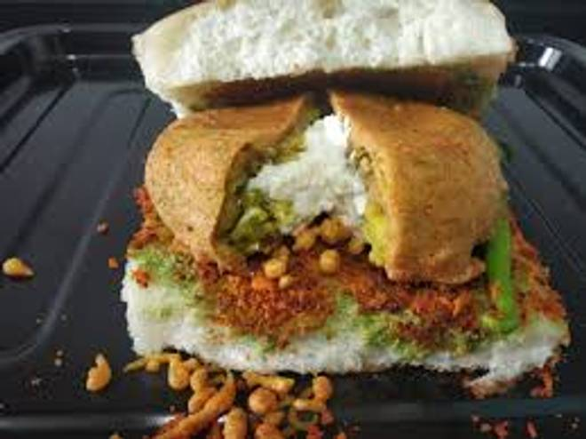
🍊 Restaurant Information

Name | Mj Food House
Area | Mandvi
Rating | --
Total Ratings | Too Few Ratings
Cuisines | Snacks, Fast Food
Cost for Two | ₹100 for two
Delivery Time | 45 mins
Swiggy URL | https://www.swiggy.com/city/vadodara/mj-food-house-mandvi-rest1026014
Scraped On | 18 Mar 2026, 10:55 am

── Menu Stats ──
Total Items | 1
Veg Items | 0
Non-Veg Items | 0
Bestsellers | 0
Items with Photo | 0
Categories | Ghughara

