Info
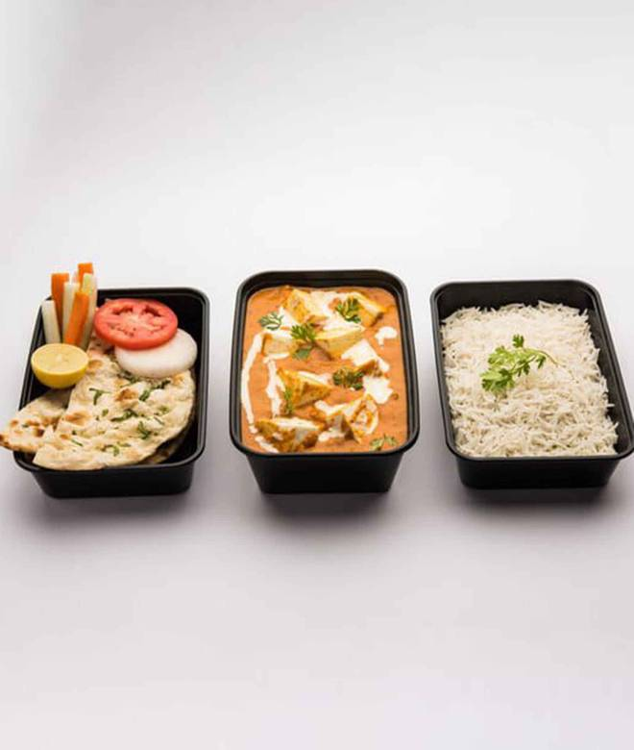
🍊 Restaurant Information

Name | Mohini Kitchen Center
Area | Fatehgunj
Rating | 3.9
Total Ratings | 36 ratings
Cuisines | Indian
Cost for Two | ₹200 for two
Delivery Time | 37 mins
Swiggy URL | https://www.swiggy.com/city/vadodara/mohini-kitchen-center-purushottam-nagar-fatehgunj-rest828704
Scraped On | 18 Mar 2026, 10:50 am

── Menu Stats ──
Total Items | 1
Veg Items | 0
Non-Veg Items | 0
Bestsellers | 0
Items with Photo | 1
Categories | Bread - roti[chapati] and paratha

