Info
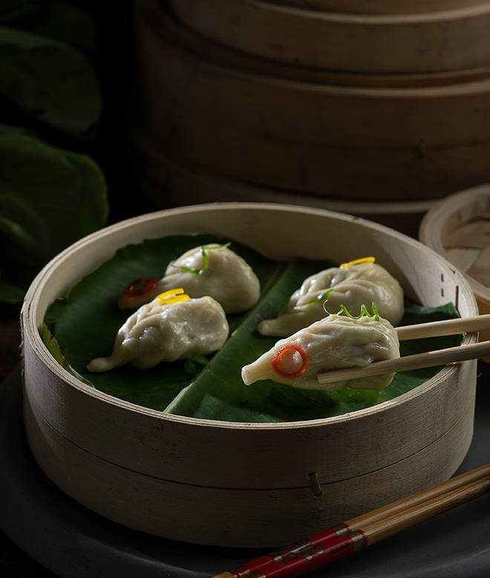
🍊 Restaurant Information

Name | Momo Mami
Area | Mandvi
Rating | 3.7
Total Ratings | 4 ratings
Cuisines | Momos
Cost for Two | ₹300 for two
Delivery Time | 38 mins
Swiggy URL | https://www.swiggy.com/city/vadodara/momo-mami-mandvi-rest1067443
Scraped On | 18 Mar 2026, 10:49 am

── Menu Stats ──
Total Items | 26
Veg Items | 0
Non-Veg Items | 0
Bestsellers | 0
Items with Photo | 18
Categories | Steam Momos, Fried Momos, Pan Fried Momos, Zinger Dumpling, Peri Peri Momos, Spring Roll, Pizza Momos, Veg Cigar Roll, Chocolate Momos

