Info
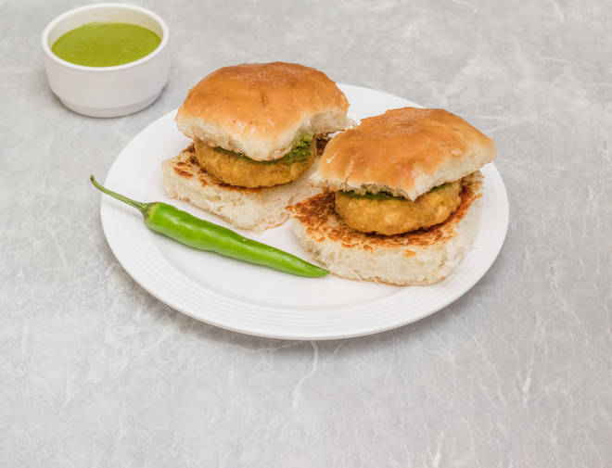
🍊 Restaurant Information

Name | Mr.Vadapav & Dabeli
Area | Wadi
Rating | 4.2
Total Ratings | 16 ratings
Cuisines | Indian, Snacks
Cost for Two | ₹200 for two
Delivery Time | 43 mins
Swiggy URL | https://www.swiggy.com/city/vadodara/mr-vadapav-and-dabeli-gujrat-wadi-rest601020
Scraped On | 18 Mar 2026, 10:50 am

── Menu Stats ──
Total Items | 13
Veg Items | 0
Non-Veg Items | 0
Bestsellers | 0
Items with Photo | 1
Categories | Recommended

