Info
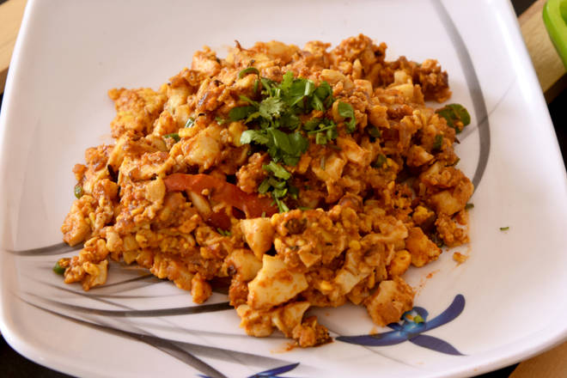
🍊 Restaurant Information

Name | Mr Egg Baroda
Area | Diwalipura
Rating | 3.6
Total Ratings | 8 ratings
Cuisines | Indian, Snacks
Cost for Two | ₹150 for two
Delivery Time | 26 mins
Swiggy URL | https://www.swiggy.com/city/vadodara/mr-egg-baroda-patriot-complex-diwalipura-rest523937
Scraped On | 18 Mar 2026, 10:55 am

── Menu Stats ──
Total Items | 0
Veg Items | 0
Non-Veg Items | 0
Bestsellers | 0
Items with Photo | 0
Categories

