Info
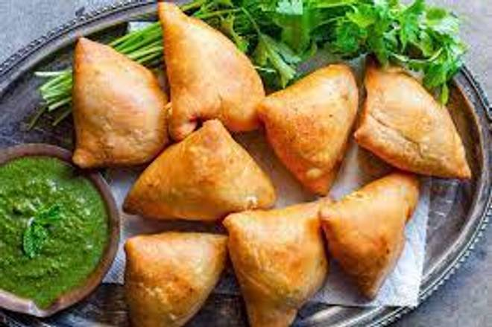
🍊 Restaurant Information

Name | Mr Snacks
Area | Akota
Rating | 4.3
Total Ratings | <3 ratings
Cuisines | Snacks, Burgers
Cost for Two | ₹200 for two
Delivery Time | 29 mins
Swiggy URL | https://www.swiggy.com/city/vadodara/mr-snacks-pratham-avenue-akota-rest661948
Scraped On | 18 Mar 2026, 10:55 am

── Menu Stats ──
Total Items | 0
Veg Items | 0
Non-Veg Items | 0
Bestsellers | 0
Items with Photo | 0
Categories

