Info
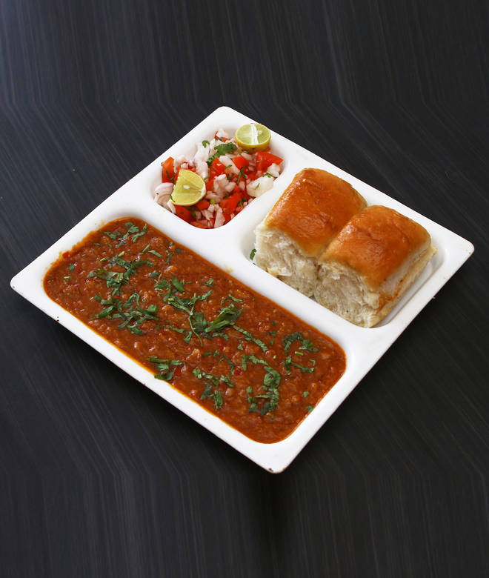
🍊 Restaurant Information

Name | Mr pavbhajiwala
Area | Sama
Rating | --
Total Ratings | Too Few Ratings
Cuisines | Street Food, Snacks
Cost for Two | ₹100 for two
Delivery Time | 37 mins
Swiggy URL | https://www.swiggy.com/city/vadodara/mr-pavbhajiwala-savli-road-sama-rest572503
Scraped On | 18 Mar 2026, 10:50 am

── Menu Stats ──
Total Items | 0
Veg Items | 0
Non-Veg Items | 0
Bestsellers | 0
Items with Photo | 0
Categories

