Info
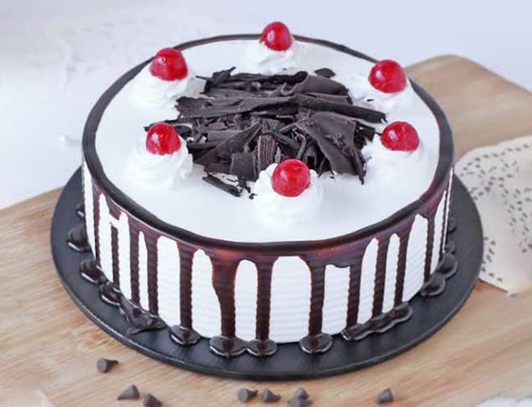
🍊 Restaurant Information

Name | My Bakery
Area | AMRAPALI SOCIETY
Rating | 3.8
Total Ratings | 11 ratings
Cuisines | Bakery, Pizzas
Cost for Two | ₹250 for two
Delivery Time | 31 mins
Swiggy URL | https://www.swiggy.com/city/vadodara/my-bakery-padmavati-complex-amrapali-society-rest458946
Scraped On | 18 Mar 2026, 10:53 am

── Menu Stats ──
Total Items | 11
Veg Items | 0
Non-Veg Items | 0
Bestsellers | 0
Items with Photo | 1
Categories | Recommended, Puffs

