Info
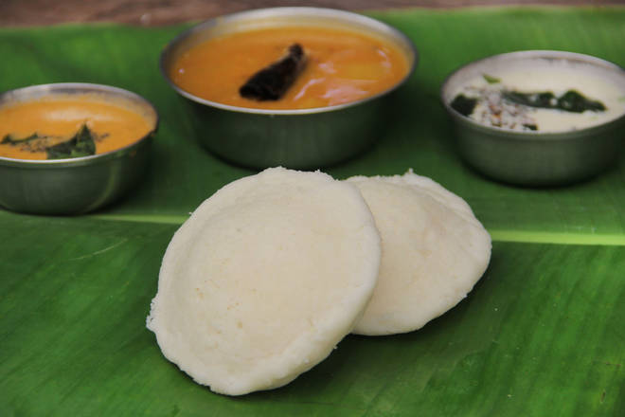
🍊 Restaurant Information

Name | Nav Durga Udupi Restaurant
Area | Danteshwar
Rating | 4
Total Ratings | 36 ratings
Cuisines | South Indian, Combo
Cost for Two | ₹400 for two
Delivery Time | 37 mins
Swiggy URL | https://www.swiggy.com/city/vadodara/nav-durga-udupi-restaurant-makarpura-road-danteshwar-rest458296
Scraped On | 18 Mar 2026, 10:51 am

── Menu Stats ──
Total Items | 0
Veg Items | 0
Non-Veg Items | 0
Bestsellers | 0
Items with Photo | 0
Categories

