Info
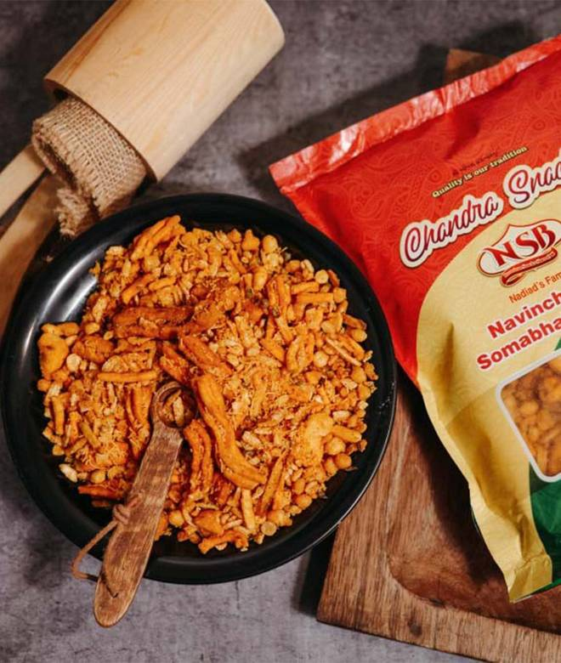
🍊 Restaurant Information

Name | Navinchandra Somabhai Bhavsar
Area | Karelibaug
Rating | 4.3
Total Ratings | 18 ratings
Cuisines | Indian, Snacks
Cost for Two | ₹300 for two
Delivery Time | 34 mins
Swiggy URL | https://www.swiggy.com/city/vadodara/navinchandra-somabhai-bhavsar-nizampura-karelibaug-rest669521
Scraped On | 18 Mar 2026, 10:54 am

── Menu Stats ──
Total Items | 57
Veg Items | 0
Non-Veg Items | 0
Bestsellers | 0
Items with Photo | 5
Categories | Recommended, Namkeen, Ganthia, Chevdo, Sev, Beans, Mixtures, Wafers, Live Farsan, Farari chevdo, Papdi

