Info
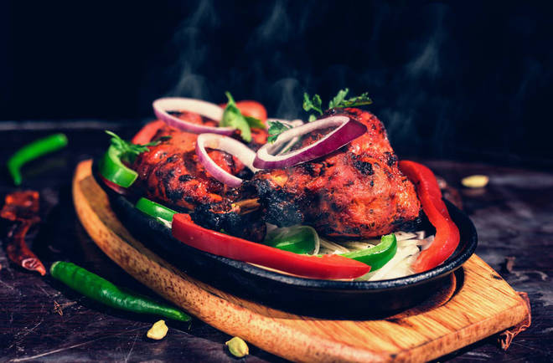
🍊 Restaurant Information

Name | New Bombay Caterers
Area | Akota
Rating | 3.6
Total Ratings | 160 ratings
Cuisines | Fast Food
Cost for Two | ₹150 for two
Delivery Time | 23 mins
Swiggy URL | https://www.swiggy.com/city/vadodara/new-bombay-caterers-opp-new-garden-akota-rest173417
Scraped On | 18 Mar 2026, 10:51 am

── Menu Stats ──
Total Items | 0
Veg Items | 0
Non-Veg Items | 0
Bestsellers | 0
Items with Photo | 0
Categories

