Info
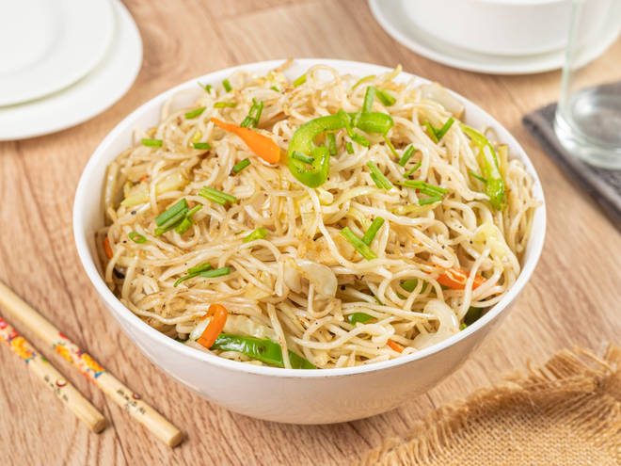
🍊 Restaurant Information

Name | Om Sai Chinese Food
Area | Mandvi
Rating | --
Total Ratings | Too Few Ratings
Cuisines | Chinese
Cost for Two | ₹150 for two
Delivery Time | 40 mins
Swiggy URL | https://www.swiggy.com/city/vadodara/om-sai-chinese-food-new-vip-road-mandvi-rest688401
Scraped On | 18 Mar 2026, 10:47 am

── Menu Stats ──
Total Items | 13
Veg Items | 0
Non-Veg Items | 0
Bestsellers | 0
Items with Photo | 0
Categories | Noodles, Bhel, Chinese, Chutney

