Info
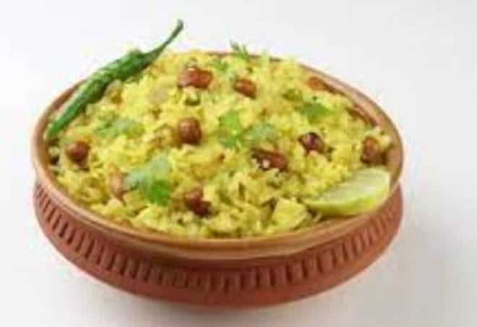
🍊 Restaurant Information

Name | Omkar Sevusal And Pavbhaji
Area | Mandvi
Rating | --
Total Ratings | Too Few Ratings
Cuisines | Navratri Special
Cost for Two | ₹250 for two
Delivery Time | 45 mins
Swiggy URL | https://www.swiggy.com/city/vadodara/omkar-sevusal-and-pavbhaji-mandvi-rest992141
Scraped On | 18 Mar 2026, 10:55 am

── Menu Stats ──
Total Items | 7
Veg Items | 0
Non-Veg Items | 0
Bestsellers | 0
Items with Photo | 2
Categories | Snacks

