Info
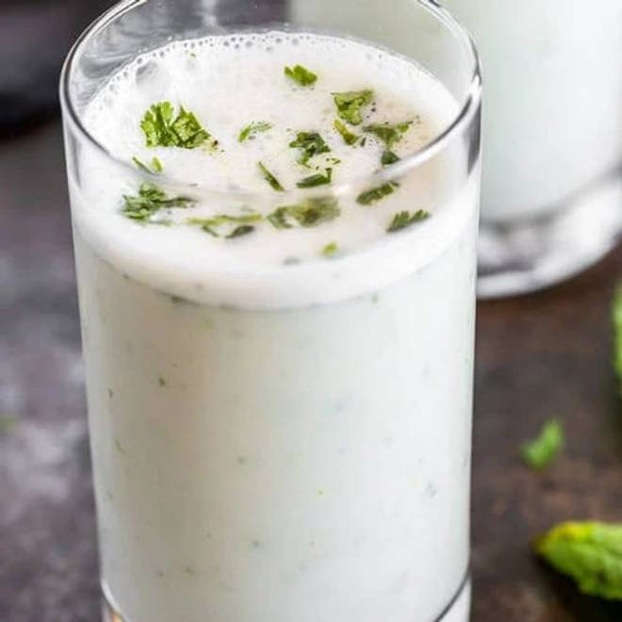
🍊 Restaurant Information

Name | Pa Pa Ya
Area | Mandvi
Rating | --
Total Ratings | Too Few Ratings
Cuisines | Asian, Chinese
Cost for Two | ₹800 for two
Delivery Time | 42 mins
Swiggy URL | https://www.swiggy.com/city/vadodara/pa-pa-ya-mandvi-rest540289
Scraped On | 18 Mar 2026, 10:49 am

── Menu Stats ──
Total Items | 7
Veg Items | 0
Non-Veg Items | 0
Bestsellers | 0
Items with Photo | 0
Categories | Farali

