Info
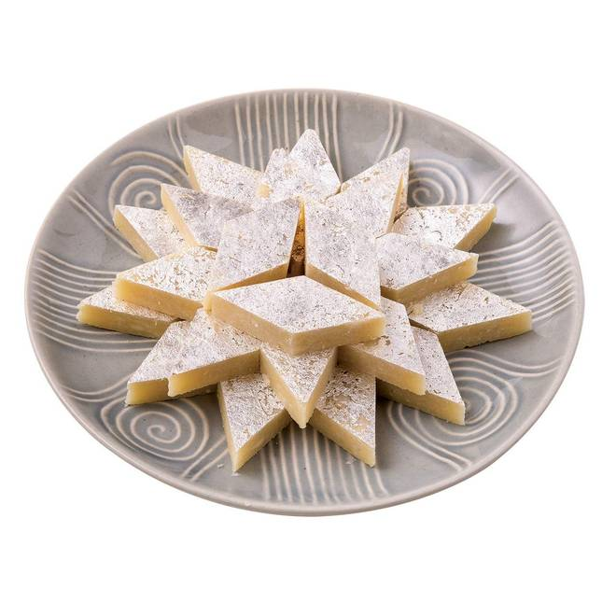
🍊 Restaurant Information

Name | Pendawala Jayantilal Sweet Shop
Area | Mandvi
Rating | --
Total Ratings | Too Few Ratings
Cuisines | Sweets
Cost for Two | ₹500 for two
Delivery Time | 31 mins
Swiggy URL | https://www.swiggy.com/city/vadodara/pendawala-jayantilal-sweet-shop-raopura-main-road-mandvi-rest724427
Scraped On | 18 Mar 2026, 10:48 am

── Menu Stats ──
Total Items | 0
Veg Items | 0
Non-Veg Items | 0
Bestsellers | 0
Items with Photo | 0
Categories

