Info
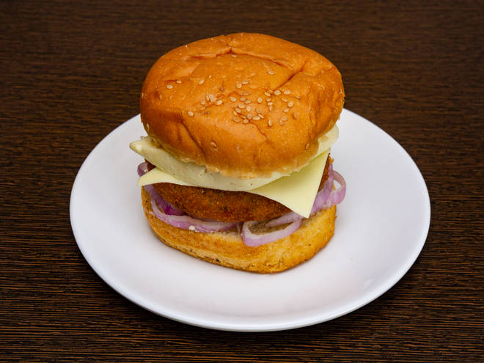
🍊 Restaurant Information

Name | Pizza On Box
Area | Akota
Rating | 4.7
Total Ratings | 3 ratings
Cuisines | Burgers, Fast Food
Cost for Two | ₹150 for two
Delivery Time | 30 mins
Swiggy URL | https://www.swiggy.com/city/vadodara/pizza-on-box-vadi-wadi-akota-rest662843
Scraped On | 18 Mar 2026, 10:55 am

── Menu Stats ──
Total Items | 5
Veg Items | 0
Non-Veg Items | 0
Bestsellers | 0
Items with Photo | 3
Categories | Potato Varieties

