Info
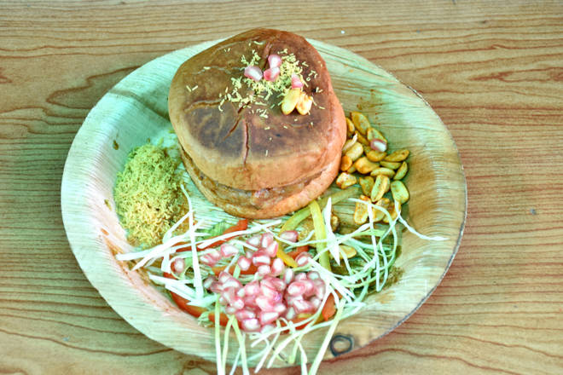
🍊 Restaurant Information

Name | SWAD Taste Of Baroda
Area | Mandvi
Rating | 5
Total Ratings | <3 ratings
Cuisines | Street Food
Cost for Two | ₹300 for two
Delivery Time | 34 mins
Swiggy URL | https://www.swiggy.com/city/vadodara/swad-taste-of-baroda-sardar-bhavan-line-mandvi-rest679049
Scraped On | 18 Mar 2026, 10:53 am

── Menu Stats ──
Total Items | 4
Veg Items | 0
Non-Veg Items | 0
Bestsellers | 0
Items with Photo | 0
Categories | Sp Dabeli, Vadapav

