Info
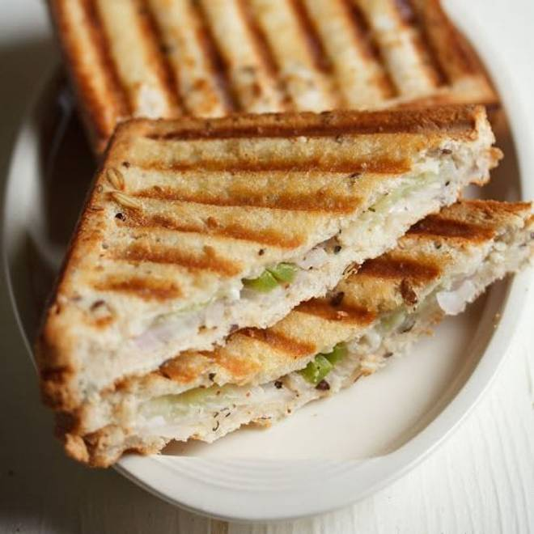
🍊 Restaurant Information

Name | S R M Home Food
Area | Mandvi
Rating | 4.8
Total Ratings | 11 ratings
Cuisines | Indian
Cost for Two | ₹300 for two
Delivery Time | 42 mins
Swiggy URL | https://www.swiggy.com/city/vadodara/s-r-m-home-food-bahar-colony-mandvi-rest783769
Scraped On | 18 Mar 2026, 10:50 am

── Menu Stats ──
Total Items | 1
Veg Items | 0
Non-Veg Items | 0
Bestsellers | 0
Items with Photo | 1
Categories | Recommended

