Info
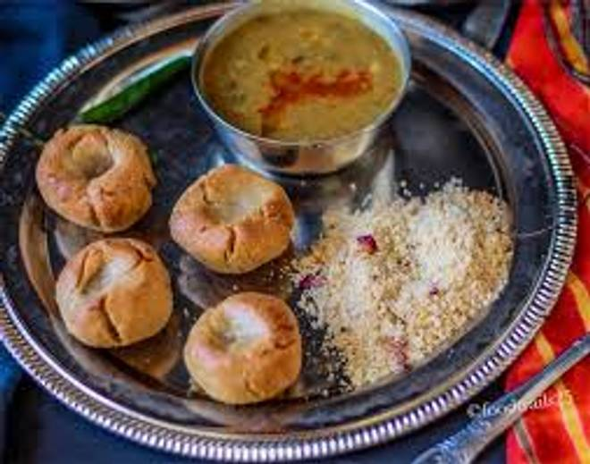
🍊 Restaurant Information

Name | Saas Bahu Dal Bati
Area | Mandvi
Rating | --
Total Ratings | Too Few Ratings
Cuisines | Rajasthani
Cost for Two | ₹250 for two
Delivery Time | 41 mins
Swiggy URL | https://www.swiggy.com/city/vadodara/saas-bahu-dal-bati-mandvi-rest1126784
Scraped On | 18 Mar 2026, 10:54 am

── Menu Stats ──
Total Items | 5
Veg Items | 0
Non-Veg Items | 0
Bestsellers | 0
Items with Photo | 3
Categories | Potato Varieties

