Info
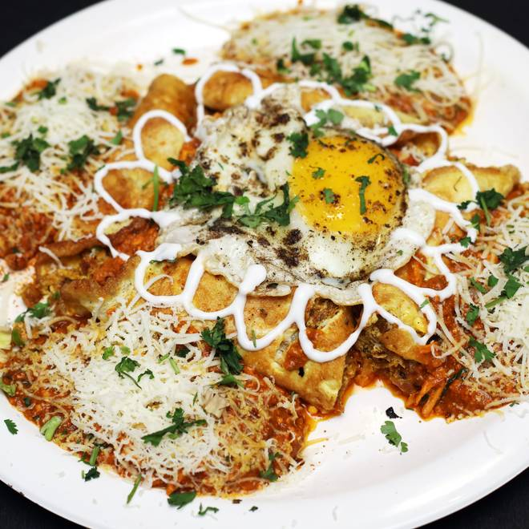
🍊 Restaurant Information

Name | Sabir Omlet
Area | Mandvi
Rating | 4.7
Total Ratings | 130 ratings
Cuisines | Indian
Cost for Two | ₹200 for two
Delivery Time | 38 mins
Swiggy URL | https://www.swiggy.com/city/vadodara/sabir-omlet-ajwa-road-mandvi-rest125437
Scraped On | 18 Mar 2026, 10:46 am

── Menu Stats ──
Total Items | 0
Veg Items | 0
Non-Veg Items | 0
Bestsellers | 0
Items with Photo | 0
Categories

