Info
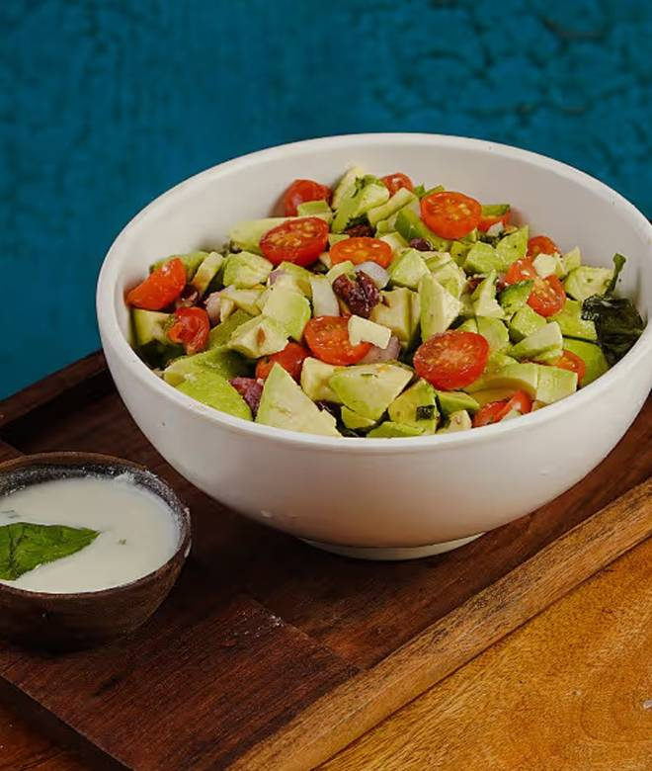
🍊 Restaurant Information

Name | Salad Republic
Area | Sarabhai Campus
Rating | 4.5
Total Ratings | 39 ratings
Cuisines | Beverages, Salads
Cost for Two | ₹500 for two
Delivery Time | 34 mins
Swiggy URL | https://www.swiggy.com/city/vadodara/salad-republic-akota-sarabhai-campus-rest1238282
Scraped On | 18 Mar 2026, 10:49 am

── Menu Stats ──
Total Items | 44
Veg Items | 0
Non-Veg Items | 0
Bestsellers | 0
Items with Photo | 42
Categories | Bowl, Chicken Bowl, Salad, Sandwich, Fruit Bowls, Snacks, Sub, Wrap, Juice, Make Your Own Salad, Smoothie, Combos

