Info
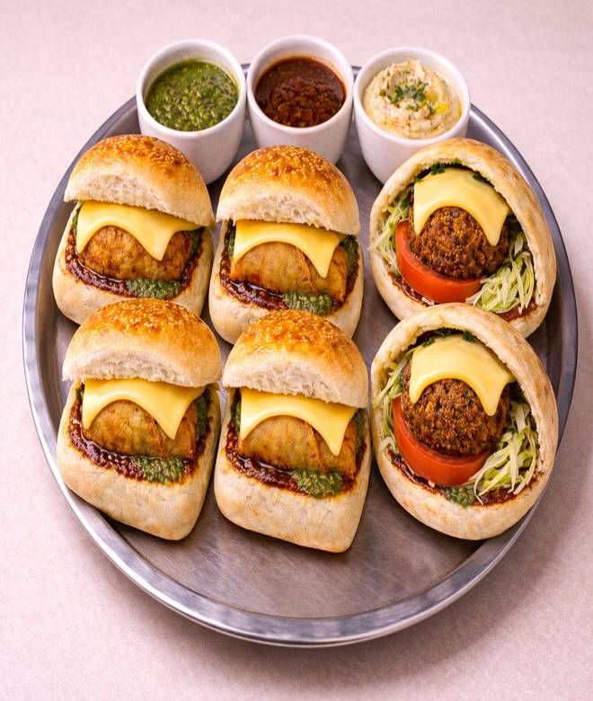
🍊 Restaurant Information

Name | Sam's Bite Box
Area | Mandvi
Rating | 4.1
Total Ratings | 6 ratings
Cuisines | Chaat, Thalis
Cost for Two | ₹49 for two
Delivery Time | 49 mins
Swiggy URL | https://www.swiggy.com/city/vadodara/sams-bite-box-mandvi-rest1286855
Scraped On | 18 Mar 2026, 10:48 am

── Menu Stats ──
Total Items | 17
Veg Items | 0
Non-Veg Items | 0
Bestsellers | 0
Items with Photo | 17
Categories | Meal Combos (Filling & Popular), Vada Pav Series, Family/Party Combos (Group Orders), Bun Samosa Series, Falafel series, Snacks (filling & popular)

