Info
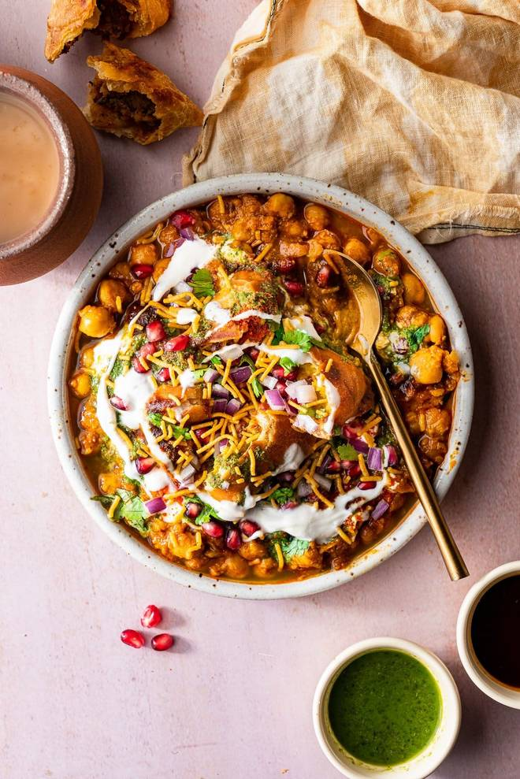
🍊 Restaurant Information

Name | Satvik Foods
Area | Mandvi
Rating | 4.6
Total Ratings | <3 ratings
Cuisines | Chaat, Snacks
Cost for Two | ₹200 for two
Delivery Time | 40 mins
Swiggy URL | https://www.swiggy.com/city/vadodara/satvik-foods-waghodia-road-mandvi-rest663939
Scraped On | 18 Mar 2026, 10:48 am

── Menu Stats ──
Total Items | 0
Veg Items | 0
Non-Veg Items | 0
Bestsellers | 0
Items with Photo | 0
Categories

