Info
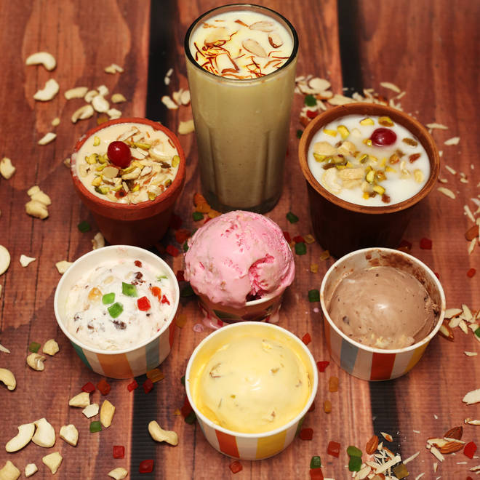
🍊 Restaurant Information

Name | Savariya Ice- Cream
Area | Kendranagar
Rating | 4.5
Total Ratings | 168 ratings
Cuisines | Ice Cream
Cost for Two | ₹300 for two
Delivery Time | 38 mins
Swiggy URL | https://www.swiggy.com/city/vadodara/savariya-ice-cream-bapod-kendranagar-rest159681
Scraped On | 18 Mar 2026, 10:46 am

── Menu Stats ──
Total Items | 0
Veg Items | 0
Non-Veg Items | 0
Bestsellers | 0
Items with Photo | 0
Categories

