Info
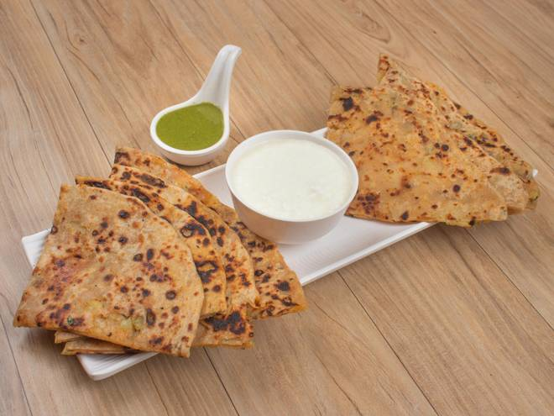
🍊 Restaurant Information

Name | Shiv Krupa Foods
Area | Mandvi
Rating | --
Total Ratings | Too Few Ratings
Cuisines | Punjabi, Fast Food
Cost for Two | ₹200 for two
Delivery Time | 38 mins
Swiggy URL | https://www.swiggy.com/city/vadodara/shiv-krupa-foods-mandvi-rest1005327
Scraped On | 18 Mar 2026, 10:48 am

── Menu Stats ──
Total Items | 6
Veg Items | 0
Non-Veg Items | 0
Bestsellers | 0
Items with Photo | 4
Categories | Paratha, Accompaniments

