Info
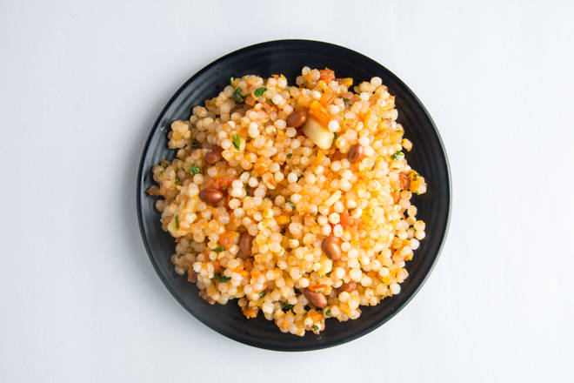
🍊 Restaurant Information

Name | Shiv Shankar Farali Center
Area | Fatehgunj
Rating | 4.1
Total Ratings | 8 ratings
Cuisines | Indian, Navratri Special
Cost for Two | ₹140 for two
Delivery Time | 29 mins
Swiggy URL | https://www.swiggy.com/city/vadodara/shiv-shankar-farali-center-fatehgunj-rest508420
Scraped On | 18 Mar 2026, 10:50 am

── Menu Stats ──
Total Items | 0
Veg Items | 0
Non-Veg Items | 0
Bestsellers | 0
Items with Photo | 0
Categories

