Info
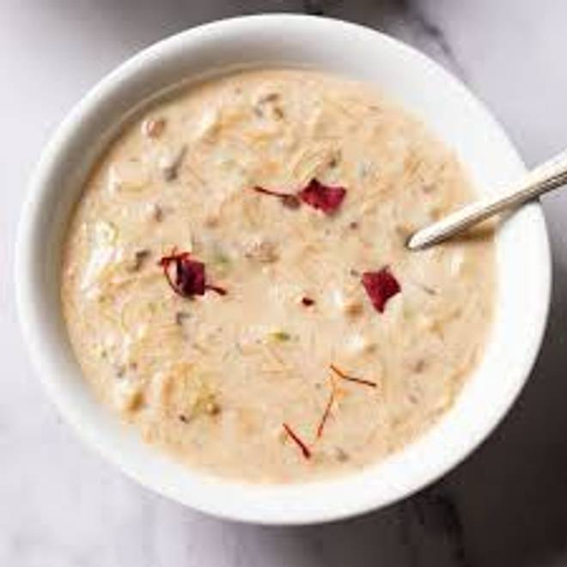
🍊 Restaurant Information

Name | Shree Bhagyoday Dugdhalay
Area | Mandvi
Rating | 4.8
Total Ratings | 21 ratings
Cuisines | Desserts
Cost for Two | ₹500 for two
Delivery Time | 30 mins
Swiggy URL | https://www.swiggy.com/city/vadodara/shree-bhagyoday-dugdhalay-raopura-tower-mandvi-rest1123906
Scraped On | 18 Mar 2026, 10:53 am

── Menu Stats ──
Total Items | 27
Veg Items | 0
Non-Veg Items | 0
Bestsellers | 0
Items with Photo | 25
Categories | Basundi, Bengali Sweets, Creamy Delight, Sweets, Rabdi, Shrikhand Or Matho, Special Drinks, Lassi

