Info
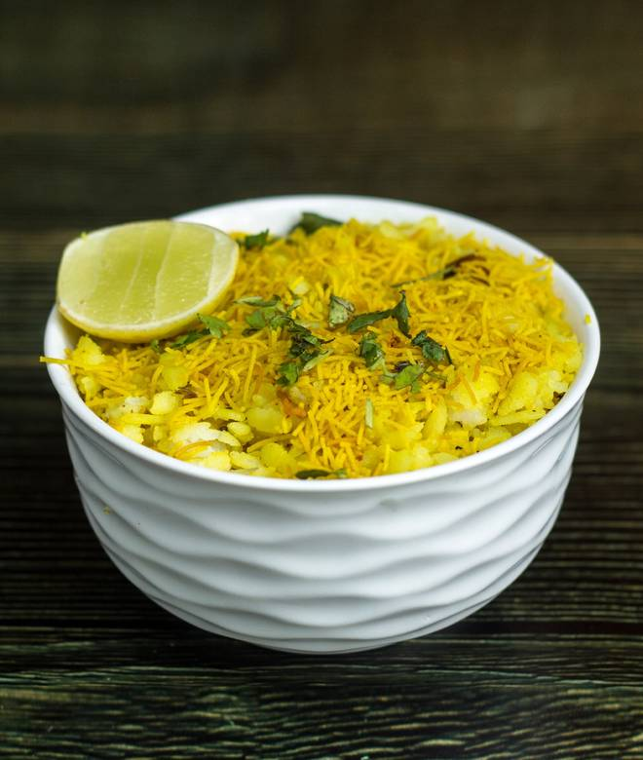
🍊 Restaurant Information

Name | Shree Ganesh Sev Usal
Area | Akota
Rating | --
Total Ratings | Too Few Ratings
Cuisines | Indian
Cost for Two | ₹100 for two
Delivery Time | 23 mins
Swiggy URL | https://www.swiggy.com/city/vadodara/shree-ganesh-sev-usal-akota-rest397168
Scraped On | 18 Mar 2026, 10:46 am

── Menu Stats ──
Total Items | 5
Veg Items | 0
Non-Veg Items | 0
Bestsellers | 0
Items with Photo | 2
Categories | Potato Varieties

