Info
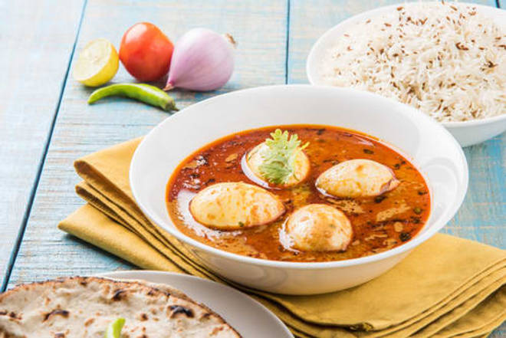
🍊 Restaurant Information

Name | Siddhi Vinayak Patti Samosa
Area | Karelibaug
Rating | --
Total Ratings | Too Few Ratings
Cuisines | Street Food, Indian
Cost for Two | ₹150 for two
Delivery Time | 35 mins
Swiggy URL | https://www.swiggy.com/city/vadodara/siddhi-vinayak-patti-samosa-sangam-char-rasta-karelibaug-rest394498
Scraped On | 18 Mar 2026, 10:48 am

── Menu Stats ──
Total Items | 5
Veg Items | 0
Non-Veg Items | 0
Bestsellers | 0
Items with Photo | 4
Categories | Samosa

