Info
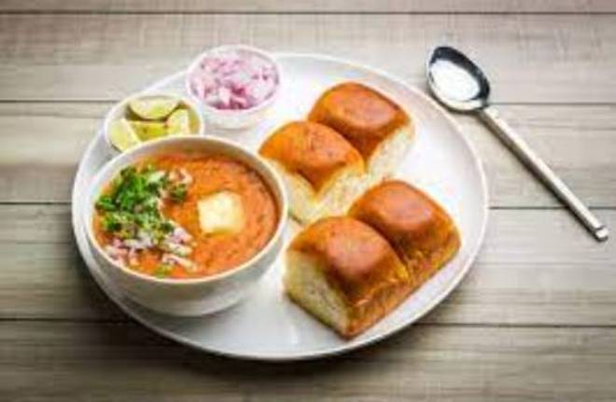
🍊 Restaurant Information

Name | Sp Caterers
Area | Mandvi
Rating | --
Total Ratings | Too Few Ratings
Cuisines | Fast Food
Cost for Two | ₹300 for two
Delivery Time | 44 mins
Swiggy URL | https://www.swiggy.com/city/vadodara/sp-caterers-madhav-resi-cum-plaza-mandvi-rest901001
Scraped On | 18 Mar 2026, 10:54 am

── Menu Stats ──
Total Items | 19
Veg Items | 0
Non-Veg Items | 0
Bestsellers | 0
Items with Photo | 0
Categories | Pav Bhaji, Pulao

