Info
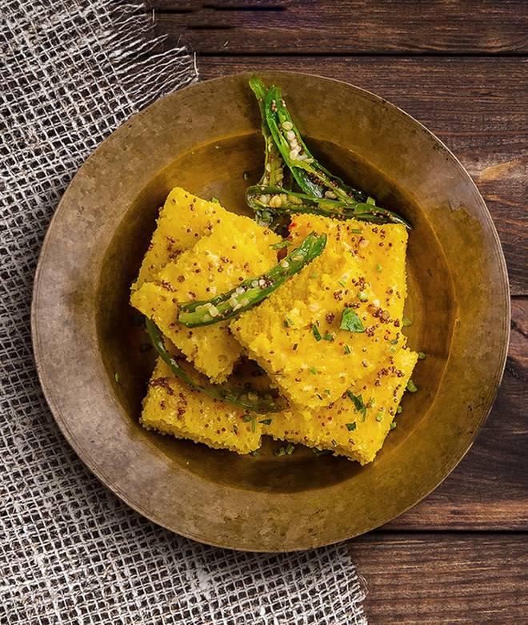
🍊 Restaurant Information

Name | Swagat Khaman
Area | Mandvi
Rating | 5
Total Ratings | <3 ratings
Cuisines | Gujarati, Snacks
Cost for Two | ₹200 for two
Delivery Time | 37 mins
Swiggy URL | https://www.swiggy.com/city/vadodara/swagat-khaman-waghodia-mandvi-rest460532
Scraped On | 18 Mar 2026, 10:48 am

── Menu Stats ──
Total Items | 0
Veg Items | 0
Non-Veg Items | 0
Bestsellers | 0
Items with Photo | 0
Categories

